Home
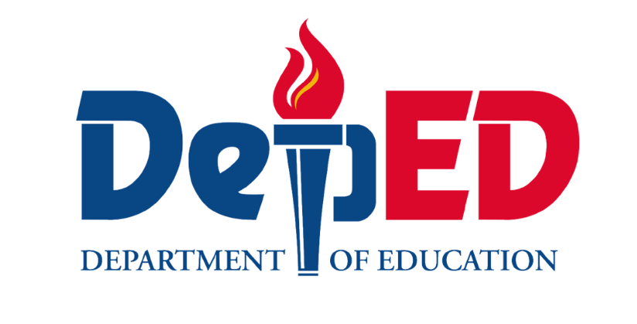

SF9 - GRADE 1

Republic of the Philippines
Department of Education
Region _____
SCHOOLS DIVISION OFFICE OF __________
District
Sta. Maria, Bulacan

NAME OF SCHOOL

LEARNER'S PROGRESS REPORT CARD
 | School Year |  | 2026-2027

Name: |  |  |  | LRN:
Section: |  | Teacher: |  | Birthdate:
Age of the Child (Beginning of SY): Years: |  | Months: | Age of the Child (End of SY): Years: |  |  |  | Months:

This report provides a descriptive account of your child’s learning progress for each term. It highlights what your child can already do, what they are currently developing, and how they can be further supported.
This report is based on varied evidence of learning, including classroom activities, observations, learner outputs, and assessments. It is designed to give a clearer and more meaningful understanding of your child’s development rather than relying on numerical or letter grades.

TERM 1 (UNANG TERMINO) |  |  | ATTENDANCE RECORD
What Your Child Can Do (Mga Nagagawa)
 |  |  | Term | Month |  | No. of Class Days | No. Days Present | No. of Times Absent
 |  |  | 1 | June
 |  |  |  | July
 |  |  |  | August
 |  |  |  | September
 |  |  | 2 | September
 |  |  |  | October
What Your Child Is Learning To Improve (Dapat Linangin) |  |  |  | November
 |  |  |  | December
 |  |  | 3 | January
 |  |  |  | February
 |  |  |  | March
 |  |  |  | April
 |  |  | TOTAL

 |  |  | IMPORTANT NOTE TO PARENTS/GUARDIANS
Parent's/Guardian's Signature:
 |  |  | A detailed record of your child’s progress across specific learning competencies is attached in the succeeding pages. This includes the monitoring of skills in Reading and Literacy, Language, Mathematics, Good Manners and Right Conduct, and Makabansa.
TERM 2 (IKALAWANG TERMINO)
What Your Child Can Do (Mga Nagagawa)
 |  |  | Performance levels used in monitoring:

 |  |  | Letter Grade | Descriptor | Description
 |  |  | A | Advancing (Namumukod- tangi) | Consistently demonstrates advanced skills, understanding, and values beyond expectations; applies learning independently, confidently, and with initiative across tasks and situations.

 |  |  | B | Benchmarking (Naipamamalas) | Demonstrates expected skills, understanding, and values at grade level with consistency; performs tasks accurately and independently in most situations.
What Your Child Is Learning To Improve (Dapat Linangin)

 |  |  | C | Connecting (Natutungo) | Shows developing skills, understanding, and values; able to apply learning in familiar tasks with minimal guidance and support.

 |  |  | D | Developing (Nagpapaunlad) | Demonstrates emerging skills, understanding, and values; requires regular guidance, practice, and support to improve performance.

 |  |  | E | Emerging (Nagsisimula) | Beginning to demonstrate basic skills, understanding, and values; requires close supervision, structured support, and targeted intervention.
Parent's/Guardian's Signature:

TERM 3 (IKATLONG TERMINO)
What Your Child Can Do (Mga Nagagawa) |  |  | CERTIFICATE OF TRANSFER

 |  |  | This is to certify that the above-named learner has satisfactorily completed the requirements for the grade level indicated.

 |  |  | Admitted to Grade: ____________________________
 |  |  | Eligible for Admission to Grade: ________________
 |  |  | Approved:
What Your Child Is Learning To Improve (Dapat Linangin)

 |  |  | Adviser

 |  |  | School Head

 |  |  | CANCELLATION OF ELIGIBILITY TO TRANSFER

Parent's/Guardian's Signature: |  |  | Admitted in: _____________ Date: __________

 |  |  | ____________________________
 |  |  | School Head

